Folha1
IMAGEM | SKU | DESCRIÇÃO | LINK MERCADO LIVRE | LINK SHOPEE | LINK LOJA TIKTOK
HARI BEAUTY
 | HAR00001-1 | LIP GLOSS HARI 10ML AMORA | https://www.mercadolivre.com.br/p/MLB78791656 | https://shopee.com.br/product/1881093056/58265137877/ | https://vt.tiktok.com/ZS4K4RmqF/?page=TikTokShop&utm_campaign=client_share&utm_source=whatsapp&share_app_id=1233
 | HAR00001-2 | LIP GLOSS HARI 10ML CAPUCCINO | https://www.mercadolivre.com.br/p/MLB78791713 | https://shopee.com.br/product/1881093056/58215137334/ | https://vt.tiktok.com/ZS4K4RmqF/?page=TikTokShop&utm_campaign=client_share&utm_source=whatsapp&share_app_id=1233
 | HAR00001-3 | LIP GLOSS HARI 10ML CEREJA | https://www.mercadolivre.com.br/p/MLB78790641 | https://shopee.com.br/product/1881093056/58215137015/ | https://vt.tiktok.com/ZS4K4RmqF/?page=TikTokShop&utm_campaign=client_share&utm_source=whatsapp&share_app_id=1233
 | HAR00001-4 | LIP GLOSS HARI 10ML PISTACHE | https://www.mercadolivre.com.br/p/MLB78790536 | https://shopee.com.br/product/1881093056/58215136879/ | https://vt.tiktok.com/ZS4K4RmqF/?page=TikTokShop&utm_campaign=client_share&utm_source=whatsapp&share_app_id=1233
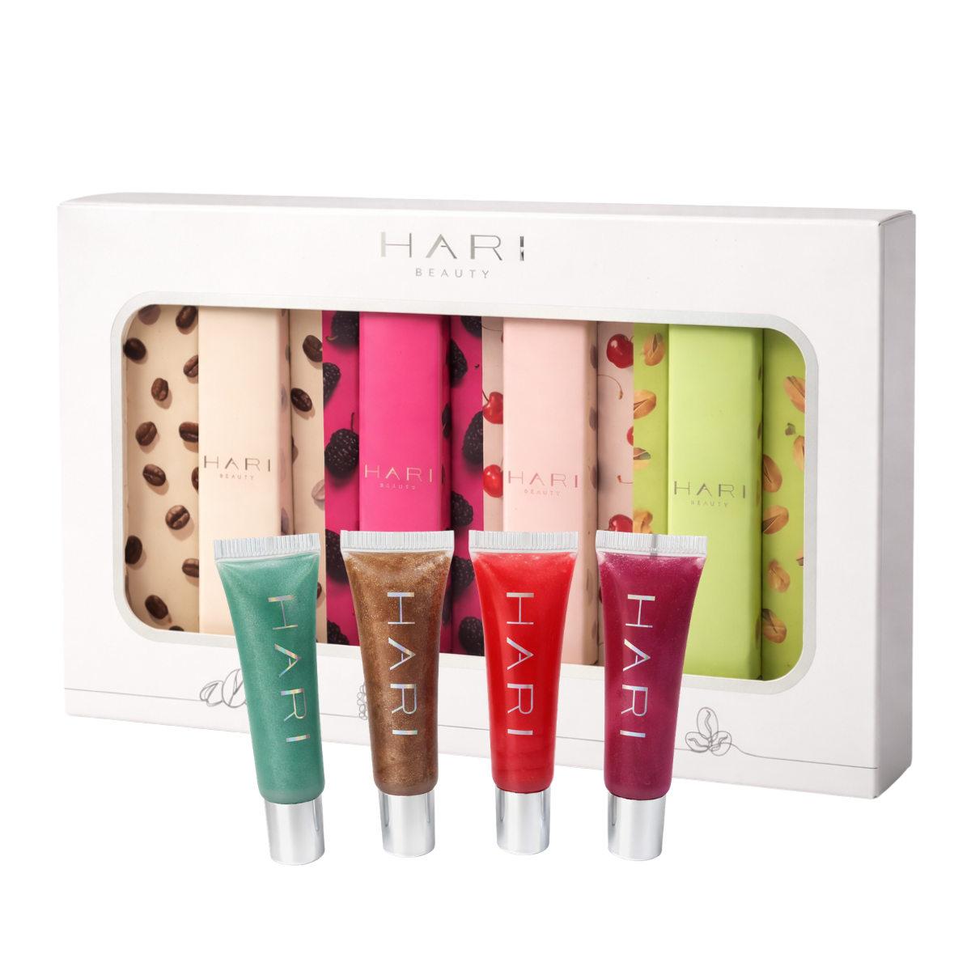 | HAR00005.K | LIP GLOSS HARI 10ML KIT | https://www.mercadolivre.com.br/p/MLB78710675 | https://shopee.com.br/product/1881093056/58265491996/ | https://vt.tiktok.com/ZS4K4RmqF/?page=TikTokShop&utm_campaign=client_share&utm_source=whatsapp&share_app_id=1233

